KPI
Sum of Total Sales | Sum of Units Sold | Average of Price per Unit | Sum of Operating Profit
3643615.7 | 6869850 | 0.49941176471 | 1301758.405
3,643,616 | 6,869,850 | 0.50 | 1,301,758

 | sales by retailer
 | Sum of Total Sales | Column Labels
 | Row Labels | 2022 | 2023 | Grand Total |  | Amazon | 0 | 163960 |  | Grand Total | 1001840.3 | 2641775.4
 | Amazon |  | 163960 | 163960 |  | BevCo | 17879.3 | 487491.6
 | BevCo | 17879.3 | 487491.6 | 505370.9 |  | FizzyCo | 0 | 165867
 | FizzyCo |  | 165867 | 165867 |  | Target | 0 | 855119
 | Target |  | 855119 | 855119 |  | Walmart | 0 | 83300.8
 | Walmart |  | 83300.8 | 83300.8 |  | West Soda | 983961 | 886037
 | West Soda | 983961 | 886037 | 1869998 |  | Grand Total | 1001840.3 | 2641775.4
 | Grand Total | 1001840.3 | 2641775.4 | 3643615.7

 | Sum of Total Sales | Column Labels
 | Row Labels | 2022 | 2023 | Grand Total |  | Coca-Cola | 204216.5 | 534782.3 | 738998.8
 | Coca-Cola | 204216.5 | 534782.3 | 738998.8 |  | Dasani Water | 188222.7 | 515581.9 | 703804.6
 | Dasani Water | 188222.7 | 515581.9 | 703804.6 |  | Diet Coke | 187856.2 | 488277.7 | 676133.9
 | Diet Coke | 187856.2 | 488277.7 | 676133.9 |  | Fanta | 132121.3 | 334960.7 | 467082
 | Fanta | 132121.3 | 334960.7 | 467082 |  | Powerade | 129178.3 | 353559.5 | 482737.8
 | Powerade | 129178.3 | 353559.5 | 482737.8 |  | Sprite | 160245.3 | 414613.3 | 574858.6
 | Sprite | 160245.3 | 414613.3 | 574858.6 |  | Grand Total | 1001840.3 | 2641775.4 | 3643615.7
 | Grand Total | 1001840.3 | 2641775.4 | 3643615.7

 | Row Labels | Sum of Total Sales | Average of Operating Margin
 | 2022 | 1001840.3 | 0.38684303351 |  | 2022
 | Qtr1 | 323851.9 | 0.40388429752
 | Qtr2 | 344406.8 | 0.39565934066
 | Qtr3 | 208967.6 | 0.328
 | Qtr4 | 124614 | 0.37063492063
 | 2023 | 2641775.4 | 0.39965975545
 | Qtr1 | 736899.3 | 0.38702422145
 | Qtr2 | 777225 | 0.40306306306
 | Qtr3 | 608363.1 | 0.4062962963
 | Qtr4 | 519288 | 0.40751351351
 | Grand Total | 3643615.7 | 0.39669117647

Dashboard
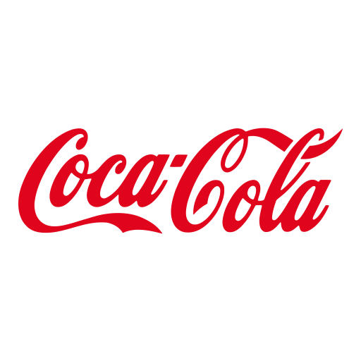

Coco - Cola Retailer Dashboard
Figures in RUPEES

TOTAL SALES
UNITS SOLD
AVG PRICE PER UNIT
TOTAL OPERATING PROFIT
36,43,616
68,69,850
0.50
13,01,758

Sales By Bevarge Brand |  |  |  | Sales by Retailers
BRAND | Sales 2022 | Sales 2023 | Variance | Brand | Sales 2022 | Sales 2023 | Variance
Amazon | 0 | 163960 | 163960 | Coca-Cola | 204216.5 | 534782.3 | 330565.8
BevCo | 17879.3 | 487491.6 | 469612.3 | Dasani Water | 188222.7 | 515581.9 | 327359.2
FizzyCo | 0 | 165867 | 165867 | Diet Coke | 187856.2 | 488277.7 | 300421.5
Target | 0 | 855119 | 855119 | Fanta | 132121.3 | 334960.7 | 202839.4
Walmart | 0 | 83300.8 | 83300.8 | Powerade | 129178.3 | 353559.5 | 224381.2
West Soda | 983961 | 886037 | -97924 | Sprite | 160245.3 | 414613.3 | 254368
Grand Total | 1001840.3 | 2641775.4 | 1639935.1 | Grand Total | 1001840.3 | 2641775.4 | 1639935.1

Sales and Operating Profit Margin by Quarter

 | Sum of Total Sales | Average of Operating Margin
Qtr1 | 323851.9 | 0.40388429752
Qtr2 | 344406.8 | 0.39565934066
Qtr3 | 208967.6 | 0.328
Qtr4 | 124614 | 0.37063492063
Qtr1 | 736899.3 | 0.38702422145
Qtr2 | 777225 | 0.40306306306
Qtr3 | 608363.1 | 0.4062962963
Qtr4 | 519288 | 0.40751351351

